Sheet1
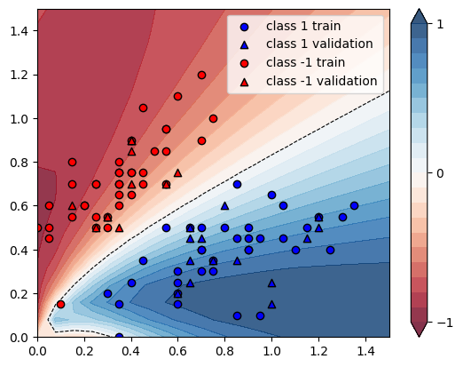
X | Y | conf_60 | guess_60 | conf_100 | guess_100 | increment
[0.4 0.75] | -1 | 0.8119 | Ok | 0.83 | Ok | 0.022293385885
[0.3 0.5] | -1 | 0.7081 | Ok | 0.7064 | Ok | -0.0024007908488
[0.2 0.6] | -1 | 0.8865 | Ok | 0.8968 | Ok | 0.011618725324
[0.15 0.55] | -1 | 0.9048 | Ok | 0.9066 | Ok | 0.0019893899204
[0.35 0.8 ] | -1 | 0.8631 | Ok | 0.8813 | Ok | 0.021086780211
[0.55 0.95] | -1 | 0.8122 | Ok | 0.8299 | Ok | 0.021792661906
[0.15 0.7 ] | -1 | 0.934 | Ok | 0.9241 | Ok | -0.010599571734
[0.35 0.7 ] | -1 | 0.8213 | Ok | 0.8393 | Ok | 0.021916473883
[0.05 0.45] | -1 | 0.9435 | Ok | 0.9066 | Ok | -0.039109697933
[0.3 0.55] | -1 | 0.7607 | Ok | 0.7691 | Ok | 0.011042460891
[0.55 0.85] | -1 | 0.7678 | Ok | 0.781 | Ok | 0.017191977077
[0.25 0.7 ] | -1 | 0.8879 | Ok | 0.9012 | Ok | 0.01497916432
[0.25 0.5 ] | -1 | 0.7722 | Ok | 0.7787 | Ok | 0.0084175084175
[0. 0.5] | -1 | 0.9605 | Ok | 0.8843 | Ok | -0.079333680375
[0.75 1. ] | -1 | 0.7348 | Ok | 0.7411 | Ok | 0.0085737615678
[0.7 1.2] | -1 | 0.8253 | Ok | 0.8414 | Ok | 0.019508057676
[0.55 0.95] | -1 | 0.8122 | Ok | 0.8299 | Ok | 0.021792661906
[0.4 0.75] | -1 | 0.8119 | Ok | 0.83 | Ok | 0.022293385885
[0.7 0.9] | -1 | 0.7081 | Ok | 0.7102 | Ok | 0.0029656828132
[0.4 0.9] | -1 | 0.8672 | Ok | 0.8848 | Ok | 0.020295202952
[0.55 0.7 ] | -1 | 0.6639 | Ok | 0.6583 | Ok | -0.0084350052719
[0.4 0.85] | -1 | 0.8529 | Ok | 0.8718 | Ok | 0.022159690468
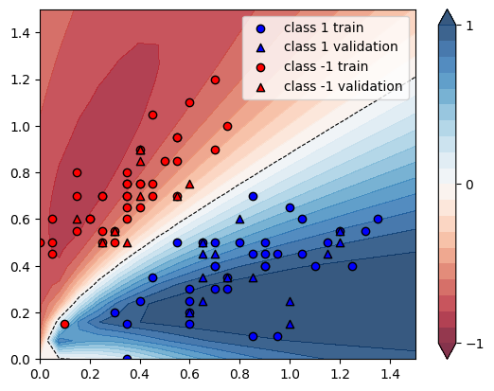
[0.15 0.8 ] | -1 | 0.9394 | Ok | 0.9204 | Ok | -0.020225675963
[0.4 0.65] | -1 | 0.7474 | Ok | 0.7571 | Ok | 0.01297832486
[0.25 0.7 ] | -1 | 0.8879 | Ok | 0.9012 | Ok | 0.01497916432
[0.35 0.5 ] | -1 | 0.6441 | Ok | 0.631 | Ok | -0.020338456761
[0.35 0.7 ] | -1 | 0.8213 | Ok | 0.8393 | Ok | 0.021916473883
[0.45 0.75] | -1 | 0.7769 | Ok | 0.7916 | Ok | 0.0189213541
[0.45 0.7 ] | -1 | 0.7436 | Ok | 0.7532 | Ok | 0.012910166756
[0.2 0.6] | -1 | 0.8865 | Ok | 0.8968 | Ok | 0.011618725324
[0.25 0.55] | -1 | 0.8149 | Ok | 0.8275 | Ok | 0.01546201988
[0.55 0.7 ] | -1 | 0.6639 | Ok | 0.6583 | Ok | -0.0084350052719
[0.45 1.05] | -1 | 0.8789 | Ok | 0.8932 | Ok | 0.016270337922
[0.6 1.1] | -1 | 0.8365 | Ok | 0.8539 | Ok | 0.020800956366
[0.3 0.55] | -1 | 0.7607 | Ok | 0.7691 | Ok | 0.011042460891
[0.35 0.6 ] | -1 | 0.7528 | Ok | 0.7622 | Ok | 0.012486716259
[0.6 0.75] | -1 | 0.6685 | Ok | 0.6637 | Ok | -0.0071802543007
[0.3 0.55] | -1 | 0.7607 | Ok | 0.7691 | Ok | 0.011042460891
[0.05 0.5 ] | -1 | 0.9498 | Ok | 0.9101 | Ok | -0.041798273321
[0.4 0.7] | -1 | 0.7832 | Ok | 0.7983 | Ok | 0.019279877426
[0.35 0.75] | -1 | 0.8448 | Ok | 0.8637 | Ok | 0.022372159091
[0.1 0.15] | -1 | 0.4096 | Error | 0.2832 | Error | -0.30859375
[0.05 0.6 ] | -1 | 0.9553 | Ok | 0.9095 | Ok | -0.047943054538
[0.35 0.75] | -1 | 0.8448 | Ok | 0.8637 | Ok | 0.022372159091
[0.4 0.9] | -1 | 0.8672 | Ok | 0.8848 | Ok | 0.020295202952
[0.25 0.5 ] | -1 | 0.7722 | Ok | 0.7787 | Ok | 0.0084175084175
[0.4 0.9] | -1 | 0.8672 | Ok | 0.8848 | Ok | 0.020295202952
[0.15 0.6 ] | -1 | 0.9186 | Ok | 0.9173 | Ok | -0.001415197039
[0.5 0.85] | -1 | 0.7976 | Ok | 0.8145 | Ok | 0.021188565697
[0.35 0.65] | -1 | 0.7912 | Ok | 0.8062 | Ok | 0.018958543984
[1.35 0.6 ] | 1 | 0.7951 | Ok | 0.8973 | Ok | 0.12853729091
[1.05 0.6 ] | 1 | 0.7215 | Ok | 0.813 | Ok | 0.12681912682
[1.3 0.55] | 1 | 0.8213 | Ok | 0.9251 | Ok | 0.12638499939
[0.6 0.15] | 1 | 0.9596 | Ok | 1.0238 | Ok | 0.066902876198
[1.1 0.4] | 1 | 0.8993 | Ok | 1.0022 | Ok | 0.11442232848
[0.7 0.4] | 1 | 0.8086 | Ok | 0.9095 | Ok | 0.12478357655
[1. 0.65] | 1 | 0.6569 | Ok | 0.7371 | Ok | 0.12208859796
[0.3 0.2] | 1 | 0.8357 | Ok | 0.9609 | Ok | 0.14981452674
[1.15 0.45] | 1 | 0.8701 | Ok | 0.9743 | Ok | 0.11975634984
[0.45 0.35] | 1 | 0.7298 | Ok | 0.8238 | Ok | 0.12880241162
[0.35 0. ] | 1 | 0.5375 | Ok | 0.5845 | Ok | 0.087441860465
[0.8 0.5] | 1 | 0.7301 | Ok | 0.8209 | Ok | 0.12436652513
[0.85 0.1 ] | 1 | 0.9765 | Ok | 1.0048 | Ok | 0.028981054788
[0.9 0.45] | 1 | 0.8203 | Ok | 0.9224 | Ok | 0.12446665854
[0.65 0.45] | 1 | 0.717 | Ok | 0.8053 | Ok | 0.12315202232
[1.2 0.55] | 1 | 0.803 | Ok | 0.9051 | Ok | 0.12714819427
[0.65 0.5 ] | 1 | 0.6478 | Ok | 0.7232 | Ok | 0.11639394875
[0.75 0.35] | 1 | 0.882 | Ok | 0.9867 | Ok | 0.11870748299
[0.95 0.1 ] | 1 | 0.9846 | Ok | 1.0131 | Ok | 0.028945764778
[0.65 0.25] | 1 | 0.9476 | Ok | 1.0451 | Ok | 0.10289151541
[0.8 0.6] | 1 | 0.6147 | Ok | 0.6845 | Ok | 0.11355132585
[0.9 0.4] | 1 | 0.8683 | Ok | 0.9724 | Ok | 0.11988943913
[1. 0.25] | 1 | 0.9765 | Ok | 1.0592 | Ok | 0.084690220174
[0.9 0.4] | 1 | 0.8683 | Ok | 0.9724 | Ok | 0.11988943913
[1.05 0.45] | 1 | 0.8541 | Ok | 0.9582 | Ok | 0.12188268353
[1.15 0.5 ] | 1 | 0.8323 | Ok | 0.936 | Ok | 0.12459449718
[1.25 0.4 ] | 1 | 0.9131 | Ok | 1.0141 | Ok | 0.1106122002
[1.2 0.5] | 1 | 0.8409 | Ok | 0.9451 | Ok | 0.12391485313
[0.85 0.45] | 1 | 0.8054 | Ok | 0.906 | Ok | 0.12490687857
[0.7 0.3] | 1 | 0.9183 | Ok | 1.0214 | Ok | 0.11227267777
[0.6 0.2] | 1 | 0.9617 | Ok | 1.0482 | Ok | 0.089944889259
[0.6 0.2] | 1 | 0.9617 | Ok | 1.0482 | Ok | 0.089944889259
[0.75 0.35] | 1 | 0.882 | Ok | 0.9867 | Ok | 0.11870748299
[0.85 0.35] | 1 | 0.9032 | Ok | 1.0065 | Ok | 0.11437112489
[0.55 0.5 ] | 1 | 0.5715 | Ok | 0.6308 | Ok | 0.10376202975
[0.85 0.7 ] | 1 | 0.538 | Ok | 0.5919 | Ok | 0.10018587361
[1.2 0.55] | 1 | 0.803 | Ok | 0.9051 | Ok | 0.12714819427
[1. 0.15] | 1 | 0.9939 | Ok | 1.0438 | Ok | 0.050206258175
[0.65 0.5 ] | 1 | 0.6478 | Ok | 0.7232 | Ok | 0.11639394875
[0.6 0.25] | 1 | 0.9372 | Ok | 1.038 | Ok | 0.10755441741
[0.6 0.3] | 1 | 0.891 | Ok | 0.9972 | Ok | 0.11919191919
[0.9 0.5] | 1 | 0.7691 | Ok | 0.866 | Ok | 0.12599141854
[0.75 0.3 ] | 1 | 0.9279 | Ok | 1.0293 | Ok | 0.10927901714
[0.35 0.15] | 1 | 0.8755 | Ok | 0.9814 | Ok | 0.12095945174
[0.65 0.35] | 1 | 0.8506 | Ok | 0.9553 | Ok | 0.12308958382
[0.7 0.5] | 1 | 0.679 | Ok | 0.7606 | Ok | 0.12017673049
[0.7 0.45] | 1 | 0.7444 | Ok | 0.8372 | Ok | 0.12466415905
[0.95 0.45] | 1 | 0.8332 | Ok | 0.9362 | Ok | 0.12361977916
[0.4 0.25] | 1 | 0.8535 | Ok | 0.9674 | Ok | 0.13345049795
[0.7 0.4] | 1 | 0.8086 | Ok | 0.9095 | Ok | 0.12478357655
 |  |  |  |  | AVG | 0.055981535074

